Isolation Gown Levels
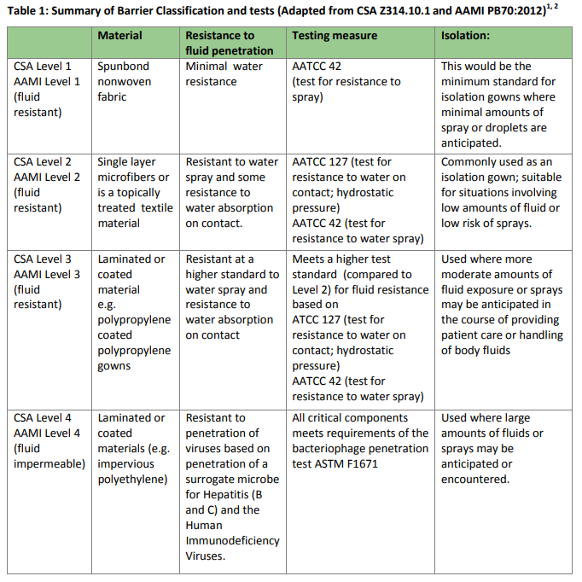
Isolation Gown Fluid Resistant Levels

